MetS
NHANES Continuous Feature Name | NHANES Feature and Code Description | Min | Max | Median | Mean | Standard Deviation | Missing | N (non-missing)
LBDHDD | Direct HDL-Cholesterol (mg/dl) | 5 | 189 | 50 | 52.677617 | 15.447971 | 7452 | 24166
LBXTR | Triglyceride (mg/dL) | 10 | 2684 | 96 | 115.719924 | 98.917445 | 21051 | 11911
LBXGLU | Fasting Glucose (mg/dL) | 47 | 524 | 107 | 122.515406 | 45.674939 | 20824 | 12138
BMXWAIST | Waist Circumference (cm) | 40 | 187.5 | 100 | 98.594522 | 22.170886 | 5817 | 27145
BPXOSY1 | Systolic - 1st oscillometric reading | 52 | 225 | 122 | 125.409351 | 21.620803 | 8516 | 24446
BPXOSY2 | Systolic - 2nd oscillometric reading | 54 | 222 | 122 | 124.989216 | 21.260818 | 8575 | 24387
BPXOSY3 | Systolic - 3rd oscillometric reading | 55 | 220 | 122 | 124.736853 | 21.106186 | 8698 | 24264
BPXODI1 | Diastolic - 1st oscillometric reading | 31 | 151 | 72 | 72.949112 | 12.40214 | 8516 | 24446
BPXODI2 | Diastolic - 2nd oscillometric reading | 28 | 146 | 72 | 72.243449 | 12.366216 | 8575 | 24387
BPXODI3 | Diastolic - 3rd oscillometric reading | 30 | 145 | 71 | 71.873022 | 12.401766 | 8698 | 24260

NHANES Catagorical Feature Name | NHANES Feature and Code Description | 1 | 2 | 3 | 7 | 9 | NaN
RIAGENDR | Gender of the participant. Codes: 1=Male; 2=Female; .=Missing | 15879 | 17083
BPQ020 | ever been told by a doctor or other health professional that {you/s/he} had hypertension, also called high blood pressure? Codes: 1=yes; 2=no; 7=Refuse; 9=Dont know; .=Missing | 15755 | 11074 |  | 0 | 64 | 6069
DIQ010 | Has a doctor ever told you you have diabetes Codes: 1=yes; 2=no; 3=borderline; 7=Refuse; 9=Dont know; .=Missing | 8465 | 23004 | 882 | 0 | 10 | 601
DIQ050 | Now taking Insulin Codes: 1=yes; 2=no; 7=Refuse; 9=Dont know; .=Missing | 3197 | 5263 |  | 0 | 5 | 24497
Metabolic Syndrome (MetS_bin) was constructed using a modified version of the National Cholesterol Education Program criteria. Five components were evaluated:
Central Obesity
Waist circumference (BMXWAIST) ≥ 102 cm for males and ≥ 88 cm for females, using sex defined by RIAGENDR.
Elevated Triglycerides
Triglycerides (LBXTR) ≥ 150 mg/dL.
Low HDL Cholesterol
HDL cholesterol (LBDHDD) < 40 mg/dL for males and < 50 mg/dL for females.
Elevated Blood Pressure
Mean systolic blood pressure from BPXOSY1-BPXOSY3 ≥ 130 mmHg, mean diastolic blood pressure from BPXODI1-BPXODI3 ≥ 85 mmHg, or self-reported hypertension (BPQ020 = 1).
Elevated Glucose or Diabetes
Fasting glucose (LBXGLU) 100 mg/dL, current insulin use (DIQ050 = 1), or self-reported diabetes (DIQ010 = 1). Borderline diabetes (DIQ010 = 3) was classified as not meeting this criterion.
MetS_bin was coded as:
1 = Three or more criteria met
0 = Fewer than three criteria met
Missing (NaN) = Fewer than three of the five criteria were available for evaluation

HEI
NHANES Feature Name | NHANES Feature and Code Description | Min | Max | Median | Mean | Standard Deviation | Missing | N (non-missing)
Nutrient Intake
DR1TKCAL | Energy (kcal) | 0 | 12501 | 1810 | 1964.35 | 939.31 | 6107 | 26855
DR2TKCAL | Energy (kcal) | 0 | 12326 | 1707 | 1834.31 | 889.97 | 9578 | 23384
DR1TMFAT | Total monounsaturated fatty acids (gm) | 0 | 200.097 | 24.357 | 27.47 | 16.42 | 6107 | 26855
DR2TMFAT | Total monounsaturated fatty acids (gm) | 0 | 247.042 | 22.358 | 25.63 | 16.05 | 9578 | 23384
DR1TPFAT | Total polyunsaturated fatty acids (gm) | 0 | 218.701 | 16.196 | 19.06 | 12.91 | 6107 | 26855
DR2TPFAT | Total polyunsaturated fatty acids (gm) | 0 | 358.034 | 14.815 | 17.62 | 12.47 | 9578 | 23384
DR1TSFAT | Total saturated fatty acids (gm) | 0 | 268.591 | 23.055 | 26.41 | 16.71 | 6107 | 26855
DR2TSFAT | Total saturated fatty acids (gm) | 0 | 331.047 | 21.511 | 24.59 | 16.56 | 9578 | 23384
DR1TSODI | Sodium (mg) | 0 | 25949 | 2809 | 3140.87 | 1769.26 | 6107 | 26855
DR2TSODI | Sodium (mg) | 7 | 24854 | 2667 | 2914.07 | 1560.59 | 9578 | 23384
Food Patterns Equivalents Database (FPED)
DR1T_F_TOTAL | Total fruit (cup equivalents) | 0 | 26.03 | 0.41 | 0.91 | 1.34 | 6107 | 26855
DR2T_F_TOTAL | Total fruit (cup equivalents) | 0 | 16.2 | 0.55 | 0.95 | 1.20 | 9578 | 23384
DR1T_F_CITMLB | Citrus, melons, and berries (cup equivalents) | 0 | 26.03 | 0 | 0.22 | 0.74 | 6107 | 26855
DR2T_F_CITMLB | Citrus, melons, and berries (cup equivalents) | 0 | 13.07 | 0 | 0.21 | 0.57 | 9578 | 23384
DR1T_F_OTHER | Other fruits (cup equivalents) | 0 | 12.78 | 0 | 0.44 | 0.79 | 6107 | 26855
DR2T_F_OTHER | Other fruits (cup equivalents) | 0 | 8.8 | 0 | 0.48 | 0.79 | 9578 | 23384
DR1T_V_TOTAL | Total vegetables (cup equivalents) | 0 | 12.14 | 0.95 | 1.26 | 1.19 | 6107 | 26855
DR2T_V_TOTAL | Total vegetables (cup equivalents) | 0 | 12.8 | 0.95 | 1.28 | 1.26 | 9578 | 23384
DR1T_V_DRKGR | Dark green vegetables (cup equivalents) | 0 | 6.22 | 0 | 0.11 | 0.35 | 6107 | 26855
DR2T_V_DRKGR | Dark green vegetables (cup equivalents) | 0 | 6.18 | 0 | 0.11 | 0.35 | 9578 | 23384
DR1T_V_LEGUMES | Legumes (cup equivalents) | 0 | 5.54 | 0 | 0.10 | 0.31 | 6107 | 26855
DR2T_V_LEGUMES | Legumes (cup equivalents) | 0 | 6.22 | 0 | 0.10 | 0.34 | 9578 | 23384
DR1T_G_WHOLE | Whole grains (ounce equivalents) | 0 | 16.13 | 0.01 | 0.78 | 1.28 | 6107 | 26855
DR2T_G_WHOLE | Whole grains (ounce equivalents) | 0 | 23.04 | 0.18 | 0.85 | 1.36 | 9578 | 23384
DR1T_G_REFINED | Refined grains (ounce equivalents) | 0 | 48.84 | 4.5 | 5.29 | 3.88 | 6107 | 26855
DR2T_G_REFINED | Refined grains (ounce equivalents) | 0 | 45.09 | 4.22 | 4.81 | 3.61 | 9578 | 23384
DR1T_D_TOTAL | Total dairy (cup equivalents) | 0 | 19.25 | 1.01 | 1.35 | 1.38 | 6107 | 26855
DR2T_D_TOTAL | Total dairy (cup equivalents) | 0 | 38.42 | 0.95 | 1.28 | 1.45 | 9578 | 23384
DR1T_PF_MPS_TOTAL | Meat, poultry, seafood (ounce equivalents) | 0 | 87.54 | 3.42 | 4.26 | 3.88 | 6107 | 26855
DR2T_PF_MPS_TOTAL | Meat, poultry, seafood (ounce equivalents) | 0 | 36 | 3.48 | 4.18 | 3.61 | 9578 | 23384
DR1T_PF_EGGS | Eggs (ounce equivalents) | 0 | 9.34 | 0.1 | 0.60 | 0.96 | 6107 | 26855
DR2T_PF_EGGS | Eggs (ounce equivalents) | 0 | 8.33 | 0.08 | 0.60 | 0.95 | 9578 | 23384
DR1T_PF_NUTSDS | Nuts and seeds (ounce equivalents) | 0 | 33.63 | 0 | 0.60 | 1.59 | 6107 | 26855
DR2T_PF_NUTSDS | Nuts and seeds (ounce equivalents) | 0 | 31.98 | 0 | 0.60 | 1.65 | 9578 | 23384
DR1T_PF_SOY | Soy products (ounce equivalents) | 0 | 13.9 | 0 | 0.06 | 0.32 | 6107 | 26855
DR2T_PF_SOY | Soy products (ounce equivalents) | 0 | 8.5 | 0 | 0.06 | 0.34 | 9578 | 23384
DR1T_PF_LEGUMES | Legumes (ounce equivalents, protein foods category) | 0 | 22.01 | 0 | 0.41 | 1.24 | 6107 | 26855
DR2T_PF_LEGUMES | Legumes (ounce equivalents, protein foods category) | 0 | 25 | 0 | 0.41 | 1.38 | 9578 | 23384
DR1T_PF_SEAFD_HI | High omega-3 seafood (ounce equivalents) | 0 | 19.11 | 0 | 0.13 | 0.80 | 6107 | 26855
DR2T_PF_SEAFD_HI | High omega-3 seafood (ounce equivalents) | 0 | 22.58 | 0 | 0.14 | 0.82 | 9578 | 23384
DR1T_PF_SEAFD_LOW | Low omega-3 seafood (ounce equivalents) | 0 | 57.58 | 0 | 0.49 | 1.84 | 6107 | 26855
DR2T_PF_SEAFD_LOW | Low omega-3 seafood (ounce equivalents) | 0 | 33.96 | 0 | 0.38 | 1.52 | 9578 | 23384
DR1T_ADD_SUGARS | Added sugars (teaspoon equivalents) | 0 | 201.75 | 11.95 | 15.85 | 15.29 | 6107 | 26855
DR2T_ADD_SUGARS | Added sugars (teaspoon equivalents) | 0 | 202.24 | 9.98 | 13.70 | 13.84 | 9578 | 23384

HEI-2020 scores were calculated from NHANES Day 1 and Day 2 24-hour dietary recalls and corresponding USDA Food Patterns Equivalents Database (FPED) files. Thirteen component scores were computed according to standard HEI-2020 scoring criteria using food group equivalents, sodium, saturated fat, added sugars, and the ratio of monounsaturated and polyunsaturated to saturated fatty acids (Table 1). Most components were expressed per 1,000 kcal, while saturated fat and added sugars were calculated as a percentage of total energy intake. Daily scores were calculated only for reliable recalls with energy intake greater than zero. Day 1 and Day 2 total scores were averaged when both were available; otherwise, the single available score was used to create HEI2020_avg_cont, which ranges from 0 to 100, with higher scores indicating better diet quality. In this study, scores ≥ 60 were classified as good diet quality (DietGood_bin = 1) and scores < 60 as poor diet quality (DietGood_bin = 0).

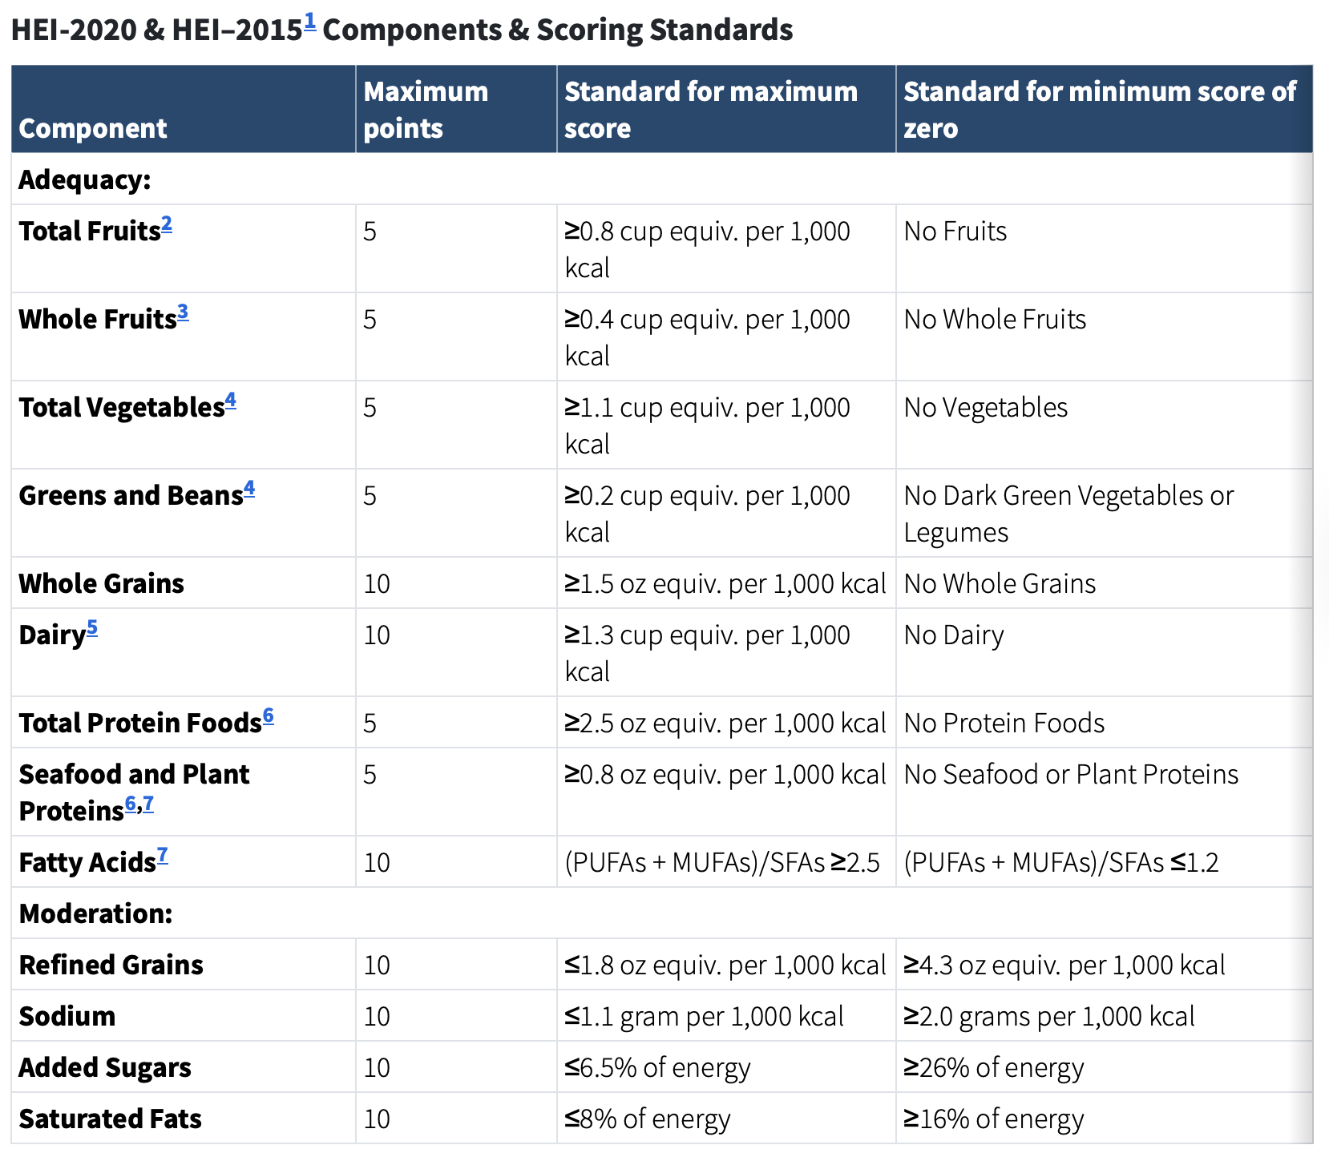

Table 1
HEI-2020 Components and Scoring Standards (National Cancer Institute, 2024)
Note:
1: The HEI-2020 components and scoring standards are the same as the HEI-2015. Intakes between the minimum and maximum standards are scored proportionately. The total HEI score is the sum of the adequacy components (i.e. foods to eat more of for good health) and moderation components (i.e. foods to limit for good health).
2: Includes 100% fruit juice.
3: Includes all forms except juice.
4: Includes legumes (beans and peas).
5: Includes all milk products, such as fluid milk, yogurt, and cheese, and fortified soy beverages.
6: Includes seafood, nuts, seeds, soy products (other than beverages), and beans, peas, and lentils.
7: Ratio of poly- and monounsaturated fatty acids (PUFAs and MUFAs) to saturated fatty acids (SFAs).
References:
National Cancer Institute. (2024, August 19). Developing the Healthy Eating Index. Developing the Healthy Eating Index (HEI) | EGRP/DCCPS/NCI/NIH. https://epi.grants.cancer.gov/hei/developing.html

Government-Sponsored Health Ins
Domain | NHANES Feature Name | NHANES Feature and Code Description | 1 | 2 | 3 | 4 | 5 | 6 | 7 | 8 | NaN
Insurance & Healthcare Access | HIQ032B | {Are you/Is SP} covered by Medicare? Codes: 2=Covered by Medicare; .=Missing |  | 12563 |  |  |  |  |  |  | 20399
Insurance & Healthcare Access | HIQ032C | {Are you/Is SP} covered by Medi-Gap? Codes: 3=covered by medi-gap; .=missing |  |  | 458 |  |  |  |  |  | 32504
Insurance & Healthcare Access | HIQ032D | covered by Medicaid? Codes: 4=Covered by Medicaid; .=Missing |  |  |  | 8222 |  |  |  |  | 24740
Insurance & Healthcare Access | HIQ032E | {Are you/Is SP} covered by CHIP (Children's Health Insurance Program)? Codes: 5=covered by chip; .=missing |  |  |  |  | 205 |  |  |  | 32757
Insurance & Healthcare Access | HIQ032H | {Are you/Is SP} covered by state-sponsored health plan? Codes: 8=covered by state-sponsored health plan; .=missing |  |  |  |  |  |  |  | 1953 | 31009

StateSponseredHI_bin was created from HIQ032B (Medicare), HIQ032C (Medi-Gap), HIQ032D (Medicaid), HIQ032E (CHIP), and HIQ032H (State-sponsored health plan). Participants were assigned a value of 1 if at least one of these variables contained a non-missing value, indicating reported coverage by a government-sponsored health insurance program. Participants with all five variables missing were assigned a value of 0, indicating no reported coverage by a government-sponsored health insurance program.

